Dashboard
Customer Analysis Dashboard
Overall Feedback
BY SAHIL JOSAN
Hotel Guest Feedback
 | 3.6
 | 1.4
General Rating
3.6
 | 3.6 | 1.4
 | Total
Facility | 3.0
Staff | 3.8
Restaurant | 3.1
Facility | 3.2
Room | 3.0
Room | 3.5
Staff | 3.7
Restaurant | 1.9

 | Total
Business | 281
Other | 34
Vacation | 239

Female | 45%
Male | 55%
Female | 45%
Male | 55%

45%
55%

Net Promoter Score

Source of information

Detractor
Passives
Promoters
Source Trend
136
147
271
 | Total
Organization | 239
hotel booking sites | 107
Search engine | 66
Word of mouth | 57
Internet advertisement | 48
Television advertisement | 23
News paper | 14
 | hotel booking sites | Internet advertisement | News paper | Organization | Search engine | Television advertisement | Word of mouth
Jan | 9 | 4 | 2 | 16 | 3 | 2 | 6
Feb | 9 | 2 | 1 | 25 | 7 | 1 | 4
Mar | 8 | 5 | 1 | 15 | 4 |  | 3
Apr | 7 | 2 | 3 | 20 | 4 | 3 | 2
May | 8 | 4 | 1 | 19 | 5 |  | 4
Jun | 10 | 5 |  | 19 | 7 | 2 | 7
Jul | 11 | 5 | 2 | 21 | 5 | 2 | 6
Aug | 12 | 5 | 1 | 11 | 4 | 4 | 3
Sep | 12 | 3 | 1 | 17 | 6 | 2 | 6
Oct | 9 | 7 | 2 | 25 | 11 | 2 | 4
Nov | 6 | 4 |  | 22 | 5 | 2 | 7
Dec | 6 | 2 |  | 29 | 5 | 3 | 5
25%
27%
49%

 | 180 | 276.56808664
 | 18 | 4
 | 18 | 79.431913357
 | 18
 | 18
 | 18
 | 18
 | 18
 | 18
 | 18
 | 18
-20
0
20
-40
40

-60
60

-80
9.7
80

-100
100

Colors for dashboard
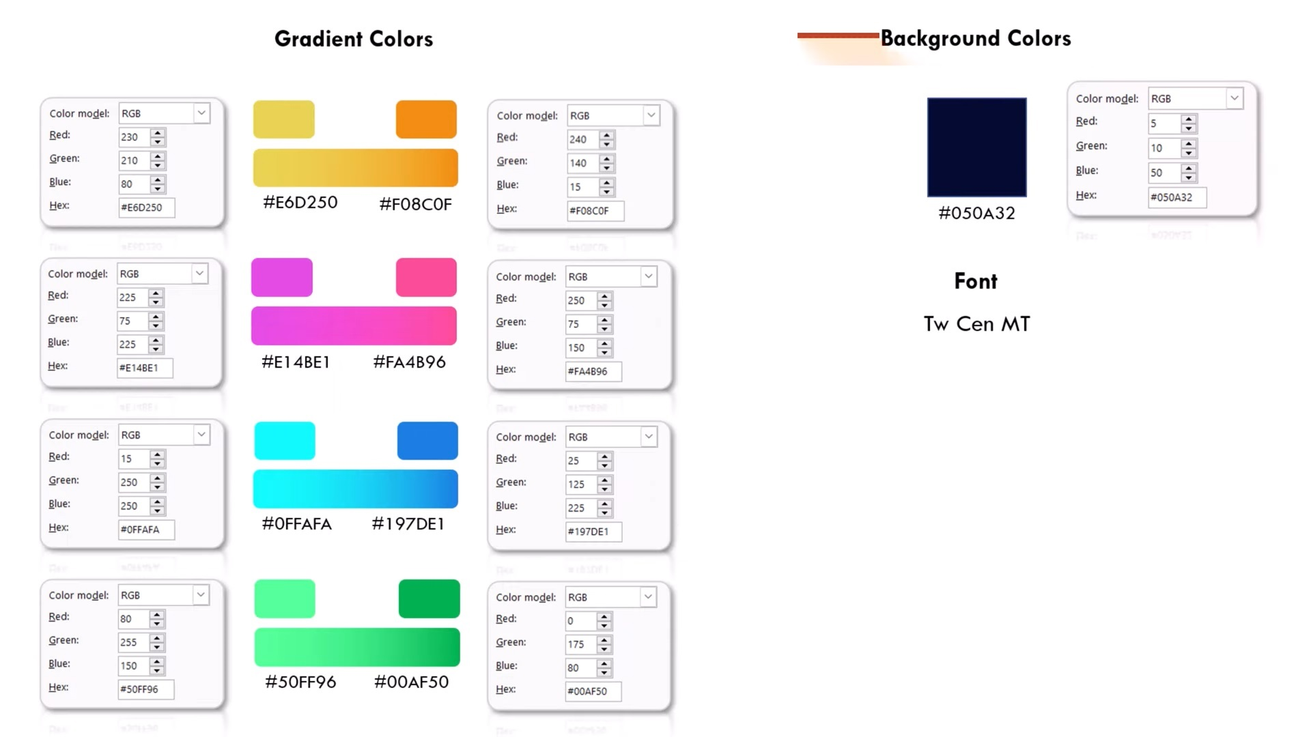
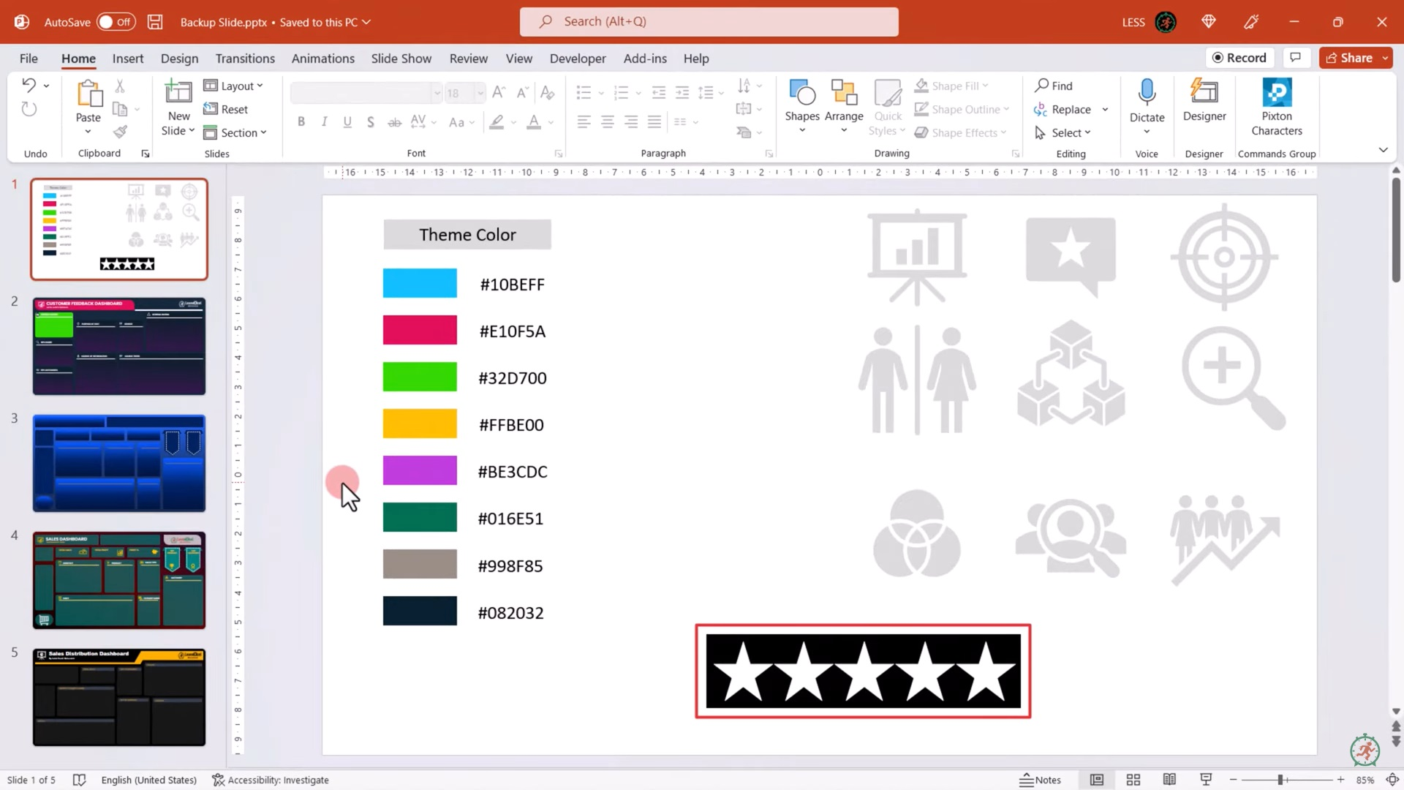

 |  |  | #050A32

 |  |  | #F08C0F
 |  |  |  | #10BEFF
 |  |  |  | #E10F5A
 |  |  |  | #32D700
 |  |  |  | #FFBE00
 |  |  |  | #BE3CDC
 |  |  |  | #016E51
 |  |  |  | #998F85
 |  |  |  | #082032
Color for Dashboard Design

blue | #0FFAFA | #197DE1
pink | #E14BE1 | #FA4B96

Green | #50FF96 | #00AF50

Analysis
Average of Overall Experience |  | Row Labels | Count of Overall Experience |  | Row Labels | Count of NPS Category | % |  |  | NPS Category | Count of NPS Category | % |  |  |  | Row Labels | Count of Source | Row Labels | Count of Purpose | Count of Source | Column Labels
3.6 |  | Female | 248.0 |  | Detractor | 136.0 | 25% |  |  | Detractor | 136 | 25% |  |  |  | Organization | 239 | Business | 281 | Row Labels | hotel booking sites | Internet advertisement | News paper | Organization | Search engine | Television advertisement | Word of mouth | Grand Total
 |  | Male | 306.0 |  | Passives | 147.0 | 15% |  |  | Passives | 147 | 27% |  |  |  | hotel booking sites | 107 | Other | 34 | 2020
 |  | Grand Total | 554.0 |  | Promoters | 271.0 | 33% |  |  | Promoters | 271 | 49% |  |  |  | Search engine | 66 | Vacation | 239 | Jan | 9 | 4 | 2 | 16 | 3 | 2 | 6 | 42
Star Rating |  |  |  |  | Grand Total | 554.0 |  |  |  | NPS Score |  | 24.368231047 |  |  |  | Word of mouth | 57 | Grand Total | 554 | Feb | 9 | 2 | 1 | 25 | 7 | 1 | 4 | 49
Total | 3.6 |  |  |  |  |  |  |  |  |  |  |  |  |  |  | Internet advertisement | 48 |  |  | Mar | 8 | 5 | 1 | 15 | 4 |  | 3 | 36
Balance | 1.4 | Female | 248 | 45% |  |  |  |  |  |  |  |  |  |  |  | Television advertisement | 23 |  |  | Apr | 7 | 2 | 3 | 20 | 4 | 3 | 2 | 41
 |  | Male | 306 | 55% | NPS Category | Count of NPS Category | % |  |  |  |  |  |  | Row Labels | Average of Rating_Range | News paper | 14 | Total | 0 | May | 8 | 4 | 1 | 19 | 5 |  | 4 | 41
 |  |  |  |  | Detractor | 136 | 25% |  | 100% |  |  |  |  | Broadband & TV |  | Grand Total | 554 |  |  | Jun | 10 | 5 |  | 19 | 7 | 2 | 7 | 50
 |  |  |  |  | Passives | 147 | 27% |  |  |  |  |  |  | Facility | 3.0 |  |  |  |  | Jul | 11 | 5 | 2 | 21 | 5 | 2 | 6 | 52
 |  |  |  |  | Promoters | 271 | 49% |  |  |  |  |  | , | Check-in Process |  |  |  |  |  | Aug | 12 | 5 | 1 | 11 | 4 | 4 | 3 | 40
 |  |  |  |  | NPS Score |  | 9.7 |  |  |  |  |  |  | Staff | 3.8 |  |  |  |  | Sep | 12 | 3 | 1 | 17 | 6 | 2 | 6 | 47
 |  |  |  |  | NPS Score: (percentage of promoters - percentage of detractors)*100 |  |  |  |  |  |  |  |  | Food quality |  |  |  |  |  | Oct | 9 | 7 | 2 | 25 | 11 | 2 | 4 | 60
 |  |  |  |  |  |  |  |  |  |  |  |  |  | Restaurant | 3.1 |  |  |  |  | Nov | 6 | 4 |  | 22 | 5 | 2 | 7 | 46
 |  |  |  |  | conversion |  | 8.6 | N12*(90-(4/2))/100 |  |  |  |  |  | Gym |  |  |  |  |  | Dec | 6 | 2 |  | 29 | 5 | 3 | 5 | 50
 |  |  |  |  |  |  |  |  |  |  |  |  |  | Facility | 3.2 |  |  |  |  | Grand Total | 107 | 48 | 14 | 239 | 66 | 23 | 57 | 554
 |  |  |  |  | indicator | 276.6 | N15+(270-(4/2)) |  |  |  |  |  |  | Room cleanliness
 |  |  |  |  |  | 4 | Suppose the indicator is at 4 |  |  |  |  |  |  | Room | 3.0
 |  |  |  |  |  | 79.4 |  |  |  |  |  |  |  | Room service
 |  |  |  |  |  |  |  |  |  |  |  |  |  | Room | 3.5
 |  |  |  |  |  |  |  |  |  |  |  |  |  | Staff attitude
 |  |  |  |  |  |  |  |  |  |  |  |  |  | Staff | 3.7
 |  |  |  |  | Dail | 180 |  |  |  |  |  |  |  | Variety of food
 |  |  |  |  |  | 18 |  |  |  |  |  |  |  | Restaurant | 1.9
 |  |  |  |  |  | 18 |  |  |  |  |  |  |  | Grand Total | 3.1
 | hotel booking sites | Internet advertisement | News paper | Organization | Search engine | Television advertisement | Word of mouth
Jan | 9 | 4 | 2 | 16 | 3 | 2 | 6
Feb | 9 | 2 | 1 | 25 | 7 | 1 | 4
Mar | 8 | 5 | 1 | 15 | 4 |  | 3
Apr | 7 | 2 | 3 | 20 | 4 | 3 | 2
May | 8 | 4 | 1 | 19 | 5 |  | 4
Jun | 10 | 5 |  | 19 | 7 | 2 | 7
Jul | 11 | 5 | 2 | 21 | 5 | 2 | 6
Aug | 12 | 5 | 1 | 11 | 4 | 4 | 3
Sep | 12 | 3 | 1 | 17 | 6 | 2 | 6
Oct | 9 | 7 | 2 | 25 | 11 | 2 | 4
Nov | 6 | 4 |  | 22 | 5 | 2 | 7
Dec | 6 | 2 |  | 29 | 5 | 3 | 5
 |  |  |  |  |  | 18
 | Total
Facility | 3.0
Staff | 3.8
Restaurant | 3.1
Facility | 3.2
Room | 3.0
Room | 3.5
Staff | 3.7
Restaurant | 1.9
 |  |  |  |  |  | 18
 |  |  |  |  |  | 18
 |  |  |  |  |  | 18
 |  |  |  |  |  | 18
 |  |  |  |  |  | 18
 |  |  |  |  |  | 18
 |  |  |  |  |  | 18

